18F_JNJ-64413739(compound)
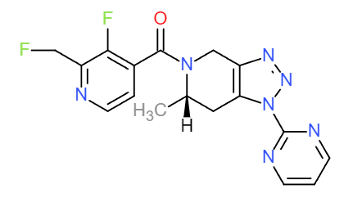
Structures |  |  |  |  | (S)-(3-(fluoro-18F)-2-(trifluoromethyl)pyridin-4-yl)(6-methyl-1-(pyrimidin-2-yl)-1,4,6,7-tetrahydro-5H-[1,2,3]triazolo[4,5-c]pyridin-5-yl)methanone
Property name | Property Value |  |  |  | Chemical Formula: C17H13F318FN7O
trivial name | [18F]JNJ-64413739 |  |  |  | Exact Mass: 406.11
DOI | 10.2967/jnumed.118.212696 |  |  |  | Molecular Weight: 406.34
Molecular formula | C17H13F318FN7O |  |  |  | m/z: 406.11 (100.0%), 407.12 (18.6%), 407.11 (2.6%), 408.12 (1.8%)
 |  |  |  |  | Elemental Analysis: C, 50.25; H, 3.22; F, 18.46; N, 24.13; O, 3.94
Chemical and Physical Properties | Calculated by ChemDraw(ver22.2.0) |  |  |  | Log P: 2.09
Property name | Property Value |  |  |  | MR: 96.27 [cm3/mol]
Molecular weight | 406.34 |  |  |  | Henry's Law: 12.79
XlogP3 | 0.66 |  |  |  | tPSA: 85.35
Hydrogen Bond Donar Count | 0 |  |  |  | CLogP: 1.26941
Hydrogen Bond Acceptor Count | 6 |  |  |  | CMR: 9.1568
Rotatable Bond Count | 4 |  | No. of Nitrogen and Oxygen Atoms: 8 |  | LogS: -3.924
Exact Mass | 406.11 |  | No. of Rings: 4 |  | pKa: N/A
Monoisotopic Mass | 406.11
Topological Polar Surface Area | 85.35
Heavy Atom Count | 29
Formal Charge | 0
Complexity
Isotope Atom Stereocentor
Defined Atom Stereocenter Count
Undefined Atom Stereocenter Count
Defined Bond Stereocenter Count
Undefined Bond Stereocenter Count
Covalently-Bonded Unit Count
Compound Is Canonicalized

BioAssay Results
Activity Value, nM | Activity Type | BioAssay Name | BioAssay AID | Substance SID

